BRANDING
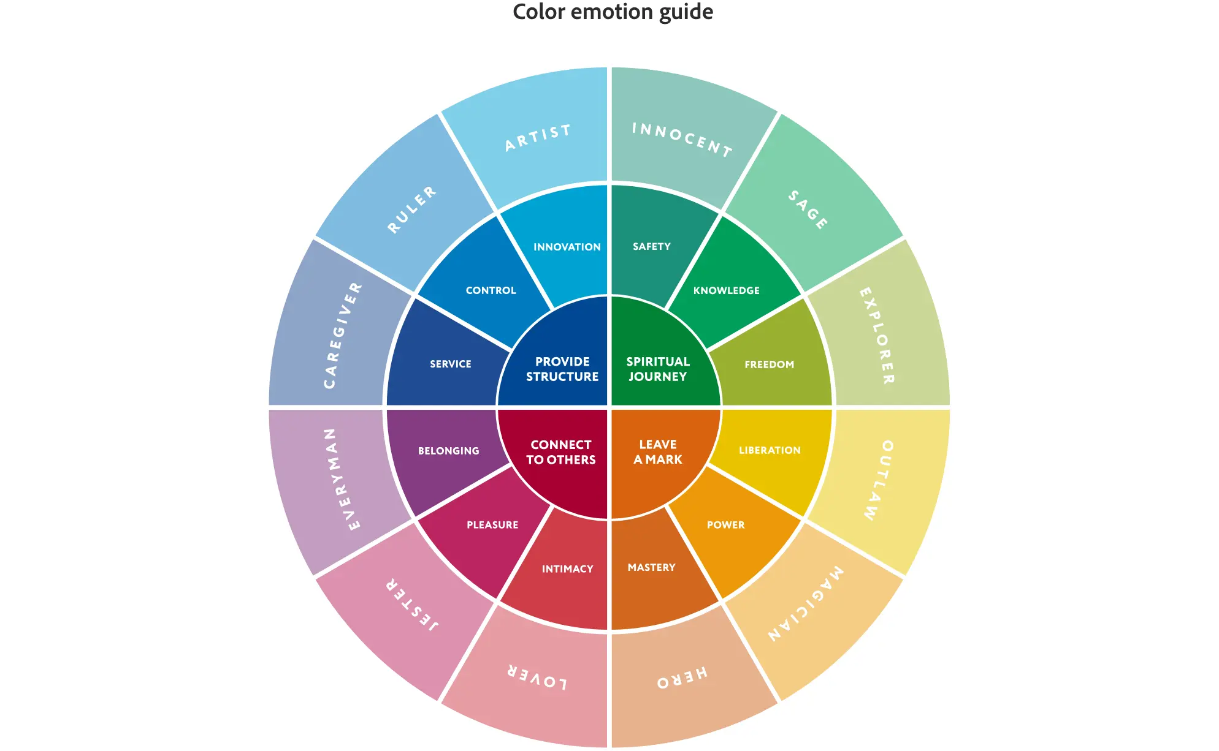
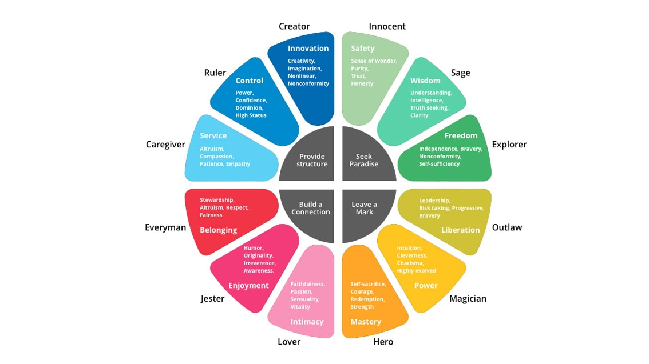
ARCHETYPE | BRANDING PERSONALITY |  |  |  |  |  |  |  |  |  |  | ARCHETYPES

 | Drivers | Primary goals | Primary fears | Personality | Audience | Visual Style | Color Palette | Typography | Imagery | Tone of voice | Brand example

Creator | Provide Structure | Innovation Creativity Imagination Non linear | Status Quo Mediocrity Conformity | The Creator archetype strives to develop original products that provide a means of self-expression. They are often leaders in design, technology, and marketing. Creator archetype should emphasize authenticity and creative freedom, aiming to inspire and empower customers' imagination. | Artists, designers, innovators, and visionaries. People deeply in love with transformation and innovative products. | Unique, artistic, abstract representations, creativity and ingenuity | Bright, bold colors that inspire creativity or monochromatic schemes that suggest customizability Exemples: vibrant teals (#00B8A9), purples (#6A0572), and oranges (#FF6107). | A typeface like Roboto Slab Modernity with a touch of creativity. | Objects engaged in the creative process (e.g., painting, sculpting), behind-the-scenes looks at product design, sketches, and innovation, brainstorming sessions, artists doing their art... | Inspirational, imaginative, and visionary | Crayola, Lego, Adobe
Regular Guy | Build Connection | Belonging Altruism Respect Fairness | Exclusion Discourtesy Individuality | The Everyman archetype is about being relatable and approachable, aiming to connect with the common person. Brands like this are seen as dependable and inclusive, and they emphasize community, simplicity, and being down-to-earth. | General public, family-oriented consumers, and individuals seeking belonging and reliability. | Relatable, straightforward, and welcoming | Earthy, neutral tones that are comforting and approachable. Earthy greens like olive (#808000), browns like sienna (#A0522D), and blues like denim (#1560BD). | Simple, clean typefaces that are easy to read and friendly. Lato for its friendly appeal. | Photos of family gatherings, community events, everyday situations that viewers can easily relate to and depicting familiarity and inclusiveness. | Conversational, genuine, and supportive. | IKEA, Ebay, KitKat, Volkswagen
Explorer | Seek Paradise | Freedom Independence Bravery Self-suffiency | Entrapment Cowardice Subordination | The Explorer archetype encourages freedom, adventure and self-discovery. Explorer is appealling to the consumer's desire for new experiences and challenge them to break free from the mundane. He is restless and adventurous, always seeking new horizons and experiences beyond the familiar. | Adventurers, travelers, and those who seek self-discovery and new experiences. It is often associated with travel, sports, and outdoor equipment. | Adventurous, natural, and rugged. | Earth tones and nature-inspired colors that evoke the great outdoors. Nature-inspired colors like forest green (#228B22), earth brown (#A0522D), and sky blue (#87CEEB). | Sturdy and straightforward typefaces that are legible under all conditions. Open Sans Condensed is clear and versatile, fitting for signage seen on trails and maps. | Vast landscapes, adventurous journeys, and rugged terrain that call for exploration and discovery. | Independent, spirited, and direct. | Jeep, Persil, Red Bull, The North Face
Hero | Leave a Mark | Mastery Courage Strengh Perseverence | Weakness Incompetence Timidity | The Hero archetype aims to inspire action and evoke a sense of courage. Hero is seen as hardworking and brave and it communicates growth, mastery, and the overcoming of challenges, with slogans that encourage determination and bravery. | Athletes, activists, and those with a drive to overcome challenges and make a difference. Often linked to sports, outdoor equipment, and emergency services. | Strong, dynamic, and confident. | Red and other warm and strong colors that evoke energy and bravery. Cobalt Blue (#0047AB), Sunflower Yellow (#FFC300), Flame Orange (#E25822), Cardinal Red (#C41E3A) | Bold, sturdy typefaces that communicate strength and reliability. Montserrat Bold for its strong presence and readability. | Action shots, heroic poses, and challenges being overcome; scenes that convey courage and endurance. | Assertive, motivational, and empowering. | Nike, Land Rover, Adidas
Innocent | Seek Paradise | Safety Sense of wonder Trust Honestly | Punishment Danger Moral dilemma | The Innocent archetype represents purity and reach perfection. Optimistic and honest, innocent brands are often associated with health, beauty, and organic products with the aim to be simple, positive, and genuine, therfore evoking a sense of trust and safety​. | Optimists, families, and those who appreciate simplicity. Customers looking for products transparency. | Simple, pure, and optimistic. | Light and airy colors that suggest simplicity and clarity Pastel blue (#AEC6CF), light pink (#F4C2C2), and soft lavender (#E6E6FA). | Simple, legible fonts that are unpretentious. Josefin Sans has a geometric, clean structure, which conveys simplicity and neutrality. | Wholesome and simple visuals, happy faces, and pure nature scenes that communicate honesty and optimism. | Honest, optimistic, and straightforward. | Disney, Dove, Innocent
Jester | Build Connection | Pleasure Enjoyment Humor Orginality | Boredom Conventionality Monotony | The Jester archetype is all about fun and humor Brands like this want to bring joy and are characterized by their playful and light-hearted nature. Jester personality is engaging, invoking happiness and laughter, often seen in confectionary or entertainment industries​ - and using 2sc degree to make messages more appreciable. | Young or simply young-at-heart, fun-loving individuals who appreciate humor and playfulness. | Playful, humorous, and lighthearted. | Bright, varied colors that are energetic and fun. Sunshine yellow (#FFF222), playful green (#00FF00), bright blue (#0000FF) and Fuchsia Pink (#FF00FF) | Fun and quirky typefaces that reflect a playful nature. Bangers for its fun and attention-grabbing style. | Whimsical scenes, humorous expressions, and playful interactions that elicit smiles and laughter. | Witty, humorous, and entertaining. | Carlsberg, M&Ms, Ben & Jerry's
Lover | Build Connection | Intimacy Connection Sensuality Passion | Isolation Loneliness Frigidity | The Lover archetype embodies passion, intimacy, and commitment. Lovers personalities generally use messaging that promotes enjoyment of life's pleasures, builds relationships, and encourages customers to follow their passions and fields of interest. All about feeling well. | Romantics, luxury product enthusiasts, and consumers looking for sensory experiences. Brands under this umbrella are often in the luxury, beauty, or confectionery sectors | Romantic, intimate, and sensory. | Rich, warm colors like red and pink that reflect passion and warmth. Romantic hues like rose pink (#FF66B2), wine red (#722F37), and cream (#FFFDD0). | Elegant and flowing fonts that suggest beauty and intimacy. Playfair Display for its elegant serifs and timeless appeal. | Intimate moments, sensual textures (like satin or flowers), and passionate scenarios that evoke warmth and desire. | Passionate, sensual, and inviting | BMW, Magnum, Chanel
Magician | Leave a Mark | Power Transformation Intuition Charisma Cleverness | Unintended Results Insignificance Dullness Inertia | The Magician archetype is characterized by a visionary, transformative approach, a sense of wonder and wish to offer awe-inspiring experiences. This archetype is charismatic and imaginative, often associated with creative problem-solving. It is all about turning dreams into reality and inviting customers to experience magical transformations​ | Dreamers, visionaries, and individuals seeking experiences that transform and inspire. | Mystical, transformative, and sometimes surreal. | Deep, rich colors that evoke a sense of mystery and transformation such as rich purples like amethyst (#9966CC), dark blues like sapphire (#0F52BA), and accents of gold (#FFD700) | Fonts with a timeless or otherworldly feel. Cinzel for its timeless and mystical appeal. | Visuals of magical landscapes, before-and-after scenarios showcasing transformation, images that include elements of fantasy and surreal environments. | Enchanting, visionary, and insightful. | Apple, Dyson, Absolut
Outlaw | Leave a Mark | Liberation Revolution Leadership Risk Taking | Powerlessness Dependence Restrictions | The Outlaw archetype are rebellious and aim to disrupt the status quo. They are seen as iconoclastic and provocative, appealing to those who want to challenge conventions. Outlaw personalities emphasize the brand as an agent of change and an advocate for the underrepresented | Free spirits, rebels, and those who question authority and status quo. Those who lead innovation from taking a step back on what is done commonly. | Rebellious, edgy, and bold. | Dark, intense colors mixed with bright accents for contrast. Black (#000000), fire engine red (#CE2029), and chrome silver (#E5E4E2). | Aggressive and angular typefaces that break the mold. Oswald for its impactful presence. | Bold and provocative visuals or counter-culture movements, people confidently defying norms or engaging in disruptive innovation. | Provocative, bold, and direct. | Virgin, Diesel, Harley-Davidson
Ruler | Provide Structure | Control Power Confidence High Status | Revolution / Chaos Vulnerability Failure | The Ruler archetype is about control and stability. These brands position themselves as leaders and authorities in their industry. Rulers exude confidence, leadership, and trustworthiness, often highlighting exclusivity and high brands status​. | Leaders, executives, and individuals who resonate with control, power, and stability. Often associated with luxury goods and services. | Luxurious, powerful, and structured. | Dark blues, golds, and other colors that connote prestige and power. Regal purple (#522D80), burgundy red (#800020), and gold (#D4AF37). | Strong, authoritative typefaces that reflect leadership. Merriweather has the formality and sharpness suited for a Ruler. | Regal or high-status settings, symbols of power like crowns or luxury items, corporate skyscrapers, or images suggesting order and structure. | Confident, decisive, and commanding. | Mercedes, Rolex, Microsoft
Sage | Seek Paradise | Wisdom Understanding Intelligence Clarity Maturity | Deception Conflict Ambiguity | The sage archetype seeks knowledge and truth. Sage focus on wisdom, intelligence, and the sharing of knowledge, appealing to the customer's intellectual side​. He can be seen as guide or mentor, and aims to understand the world deeply. | Scholars, learners, and those in search of truth, knowledge, and wisdom. Often linked to education and information sectors. | Intellectual, reflective, and knowledgeable. | Muted, calming colors that evoke serenity and focus. Intellectual blues like Oxford (#002147) and ivory (#FFFFF0) for clarity, with accents of sage green (#B2AC88). | Traditional and clean fonts that suggest wisdom and clarity. ibre Baskerville for its readability and academic look. | Libraries, ancient manuscripts, wise elders teaching the younger generation, complex concepts visualized in a clear and understandable way. | Informed, thoughtful, and analytical. | BBC, Google, IBM, Audi
Caregiver | Provide Structure | Service Compassion Patience Emphaty | Selfishness Indifference Cruelty | The caregiver archetype aims to be nurturing and protective. It focus on service and support. The Caregiver's personality conveys trust, comfort, and a sense of caring for others, aiming to make customers feel safe and cared for​. | Parents, educators, healthcare providers, and those who value nurturance and caring for others. Often seen in healthcare and welfare sectors. | Nurturing, warm, and protective. | Soft, nurturing colors like blues and pastels. Healing greens like seafoam (#93E9BE), warm blues like sky (#87CEEB), and soft yellows like pastel (#FFD756). | Rounded, soft typefaces that convey safety and care. Quicksand for its warmth and softness. | Warm and caring interactions, scenes from caregiving professions, images of comfort food or environments that suggest safety and care. | Compassionate, helpful, and kind. | Pampers, Johnson&Johnson, Vicks

